STOCK
 | UPC | Color | Description | Qty On hand | Retail Price
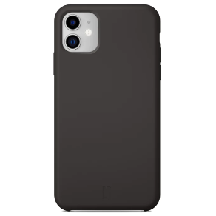 | 5060852760007Black | Black | iPhone 11 Silicone Case with Ever Clean Black | 500 | $29.99
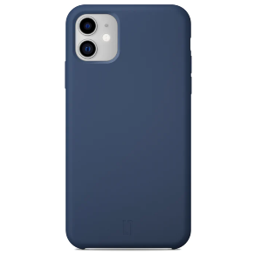 | 5060852760007Blue | Blue | iPhone 11 Silicone Case with Ever Clean Blue | 198 | $29.99
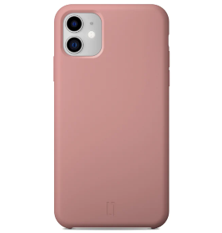 | 5060852760007Pink | Pink | iPhone 11 Silicone Case with Ever Clean Pink | 198 | $29.99
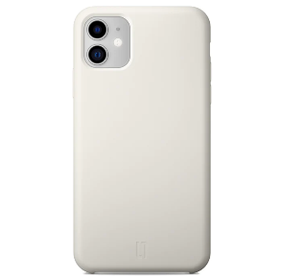 | 5060852760007White | White | iPhone 11 Silicone Case with Ever Clean White | 199 | $29.99
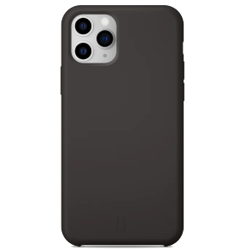 | 5060852760014Black | Black | iPhone 11 Pro Silicone Case with Ever Clean Black | 199 | $29.99
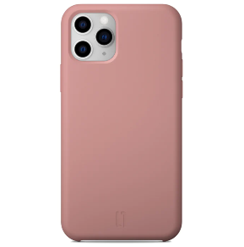 | 5060852760014Pink | Pink | iPhone 11 Pro Silicone Case with Ever Clean Pink | 200 | $29.99
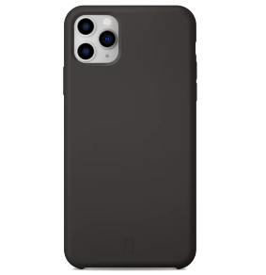 | 5060852760021Black | Black | iPhone 11 Pro Max Silicone Case with Ever Clean Black | 200 | $29.99
 | 5060852760021Blue | Blue | iPhone 11 Pro Max Silicone Case with Ever Clean Blue | 198 | $29.99
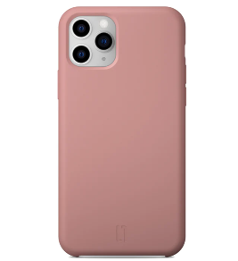 | 5060852760021Pink | Pink | iPhone 11 Pro Max Silicone Case with Ever Clean Pink | 199 | $29.99
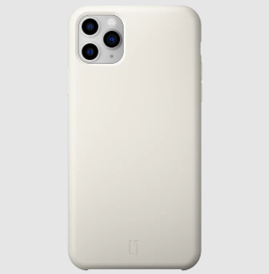 | 5060852760021White | White | iPhone 11 Pro Max Silicone Case with Ever Clean White | 200 | $29.99
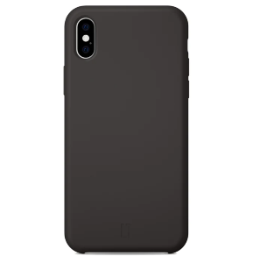 | 5060852760038Black | Black | iPhone X Silicone Case with Ever Clean Black | 100 | $19.00
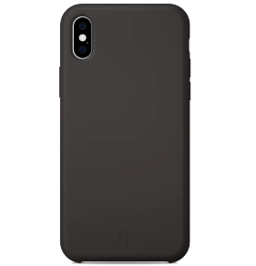 | 5060852760038BlackXS | Black XS | iPhone XS Silicone Case with Ever Clean Black | 100 | $19.00
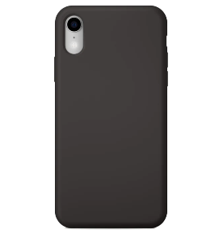 | 5060852760045Black | Black | iPhone XR Silicone Case with Ever Clean Black | 200 | $19.00
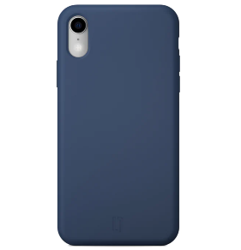 | 5060852760045Blue | Blue | iPhone XR Silicone Case with Ever Clean Blue | 200 | $19.00
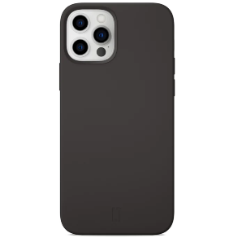 | 5060852760052Black | Black | iPhone 12 Mini Silicone Case with Ever Clean Black | 100 | $29.00
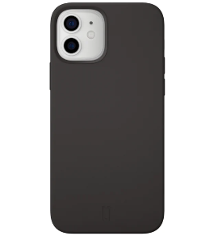 | 5060852760069Black | Black | iPhone 12 Silicone Case with Ever Clean Black | 148 | $29.00
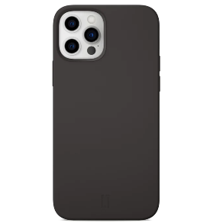 | 5060852760069BlackPro | Black PRO | iPhone 12 Silicone Case with Ever Clean Black PRO | 150 | $29.00
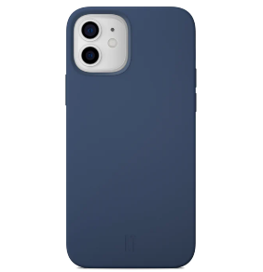 | 5060852760069Blue | Blue | iPhone 12 Silicone Case with Ever Clean Blue | 99 | $29.00
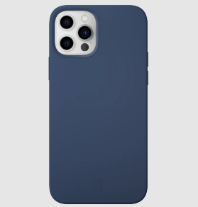 | 5060852760069BluePro | Blue PRO | iPhone 12 Pro Silicone Case with Ever Clean Blue | 100 | $29.00
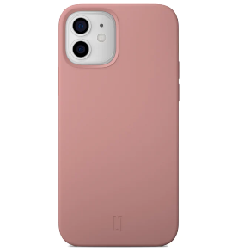 | 5060852760069Pink | Pink | iPhone 12 Silicone Case with Ever Clean Pink | 100 | $29.00
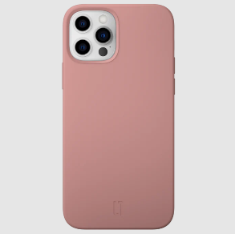 | 5060852760069PinkPro | Pink PRO | iPhone 12 Pro Silicone Case with Ever Clean Pink | 250 | $29.00
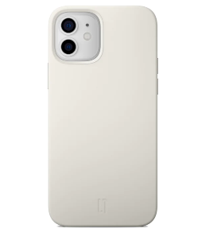 | 5060852760069White | White | iPhone 12 Silicone Case with Ever Clean White | 100 | $29.00
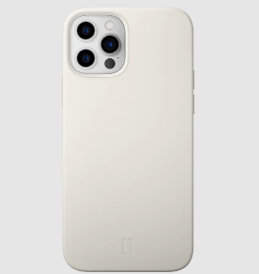 | 5060852760069WhitePro | White PRO | iPhone 12 Pro Silicone Case with Ever Clean White | 98 | $29.00
 |  |  |  | 4036

